Contract
SALES CONTRACT

 |  |  |  |  | DATE: | 21/05/2025
 |  |  |  | CONTRACT NO.:
The Seller: | CALIFOR UPHOLSTERY MATERIALS CO.,LTD.
 | XIN BAVET SEZ, Road No. 316A, Trapeang Bon and Prey Kokir Villages, Prey Kokir Commune, Chantrea District,
 | Svay Rieng Province, Kingdom of Cambodia.
TEL: | +855 975910636
The Buyer: | MOTOMOTION VIETNAM CO.,LTD
 | Factory C-1B-D1 to C-1B-D4A and C-1B-B3-A,B, C-1B-B4-A,B, Lot C-1B-CN, DE4 Street , My Phuoc 3 Industrial Park, Thoi Hoa Ward, Ben Cat City, Binh Duong Province, Vietnam
 | Contact Person : XU MEIJUN Tel: 0274 3803833
After discussion, the both parties agree to sell and purchase the commodities on the following terms and conditions:
1.NAME OF COMMODITY AND SPECIFICATION:
The seller guaranteed the correct color delivery, Commodity, Dimension and quantity as follow:

NO | P.O Nº | Name of Cormodity | Description | Quantity(SF) | Unit Price(USD) | Total value(USD)
1 | VPL2510961 | B13100446A | LEATHER | 33,686.6000 | 1.1000
2 | VPL24C0167 | B13100446A |  | 8,365.2000 | 1.1000
3 | VPL2530271 | B13100070A |  | 28,265.2000 | 1.4800
4 | VPL2530271 | B13100070A |  | 827.4000 | 1.1800
5 | VPL2530596 | B13100319A |  | 15,405.1000 | 1.4400
6 | VPL2530597 | B13100131A |  | 5,231.7000 | 0.9400
7 | VPL2530712 | B13100445A |  | 20,475.9000 | 1.1000
TOTAL OF: |  |  | 13 PALLETS

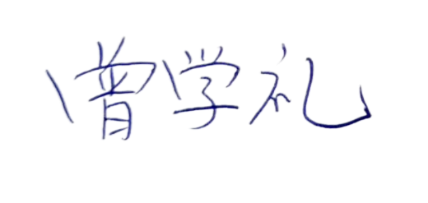
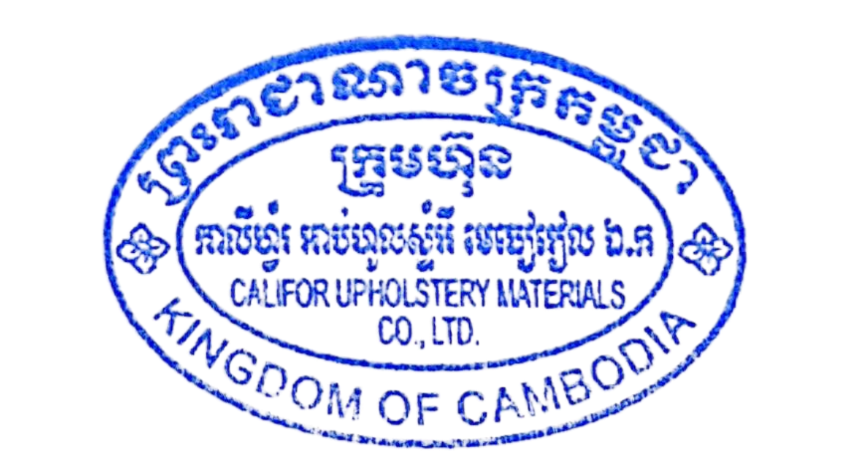
DAP: | BINH DUONG
Term of Payment: 100% TT after shipment
Transaction method: DAP(USD)
Beneficiary bank information: |  |  |  | CALIFOR UPHOLSTERY MATERIALS CO.,LTD.
Beneficiary Bank' s Name: |  |  |  | BANK OF CHINA(HONG KONG)LIMITED PHNOM PENH BRANCH /BANK OF CHINA PHNOM PENH BRANCH
Bank Address: |  |  |  | 1st AND 2nd FLOOR,CANADIA TOWER,No.315 ANDDUONG ST.,PHNOM PEMH,CAMBODIA.
Bank account : |  |  |  | 100001100764430
SWIFT CODE ： |  |  |  | BKCHKHPPXXX

 | The Buyer: |  |  |  | The Seller:
MOTOMOTION VIETNAM CO.,LTD |  |  |  | CALIFOR UPHOLSTERY MATERIALS CO.,LTD.

